Sheet1
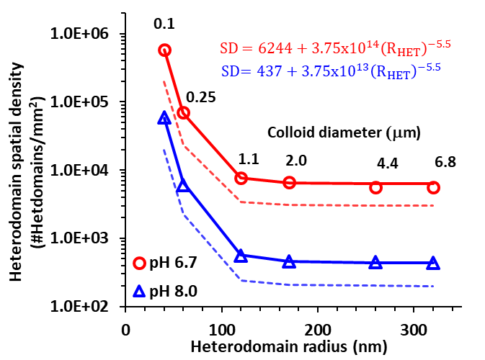
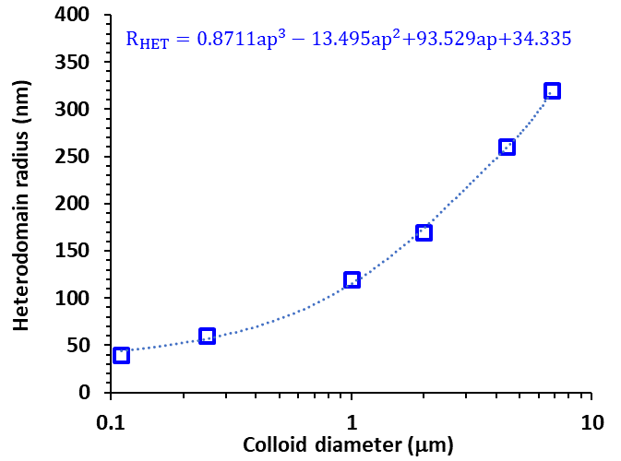
Grain size (mm) | 0.255
Total grain area (mm2) | 0.8171282492
 | Relationships determined by Ron et al., 2019
 |  | Surface density (#/mm2) |  | # of hetdomains on grain |  | Fractional SCOV
Colloid diameter (mm) | RHET (nm) | pH 6.7 | pH 8 | pH 6.7 | pH 8 | pH 6.7 | pH 8
0.11 | 40 | 585274.3 | 58340.0 | 478244.2 | 47671.3 | 0.0029 | 0.0003
0.25 | 60 | 68502.6 | 6662.9 | 55975.4 | 5444.4 | 0.0008 | 7.5E-05
1 | 120 | 7619.7 | 574.6 | 6226.3 | 469.5 | 0.00034 | 2.6E-05
2 | 170 | 6446.6 | 457.3 | 5267.7 | 373.6 | 0.0006 | 4.2E-05
4.4 | 260 | 6263.6 | 439.0 | 5118.1 | 358.7 | 0.0013 | 9.3E-05
6.8 | 320 | 6250.2 | 437.6 | 5107.3 | 357.6 | 0.0020 | 0.00014

